Dashboard
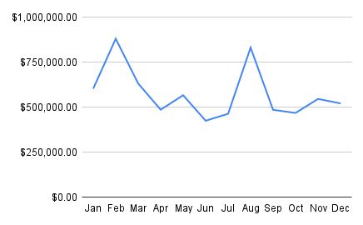
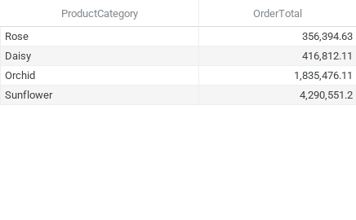

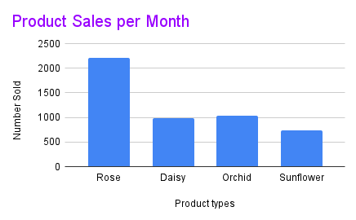
Total Revenue

Product Category | Total Revenue
Rose | $356,394.63
Daisy | $416,812.11
Orchid | $1,835,476.11
Sunflower | $4,290,551.20

Total | $6,899,234.05

